PPM Prod
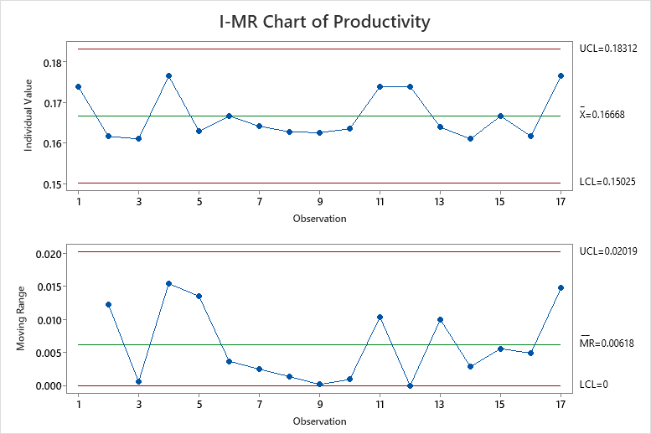
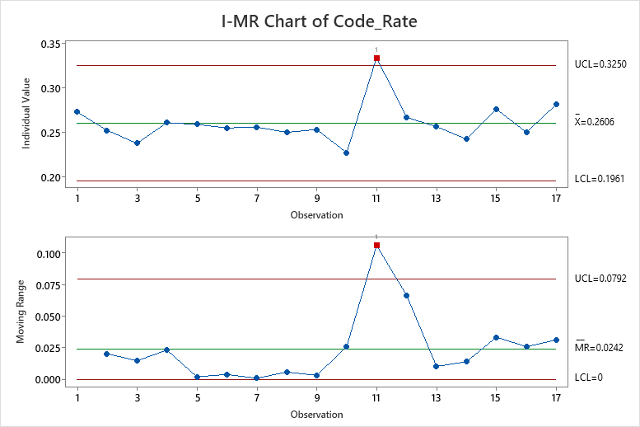
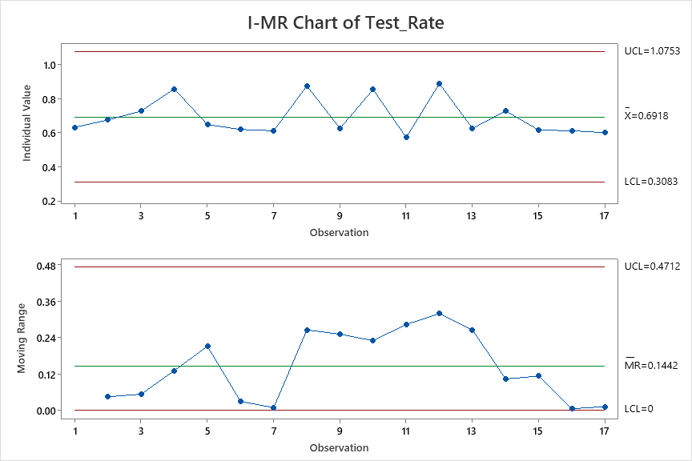
Productivity | Code_Rate | Test_Rate
0.174 | 0.273 | 0.632
0.162 | 0.252 | 0.675
0.161 | 0.238 | 0.727
0.176 | 0.261 | 0.857
0.162 | 0.226 | 0.846
0.182 | 0.276 | 1.000
0.163 | 0.259 | 0.647
0.167 | 0.255 | 0.619
0.164 | 0.256 | 0.611
0.163 | 0.250 | 0.875
0.163 | 0.253 | 0.625
0.164 | 0.227 | 0.854
0.174 | 0.333 | 0.571
0.174 | 0.267 | 0.889
0.164 | 0.256 | 0.625
0.161 | 0.242 | 0.727
0.167 | 0.276 | 0.615
0.162 | 0.250 | 0.611
0.176 | 0.281 | 0.600

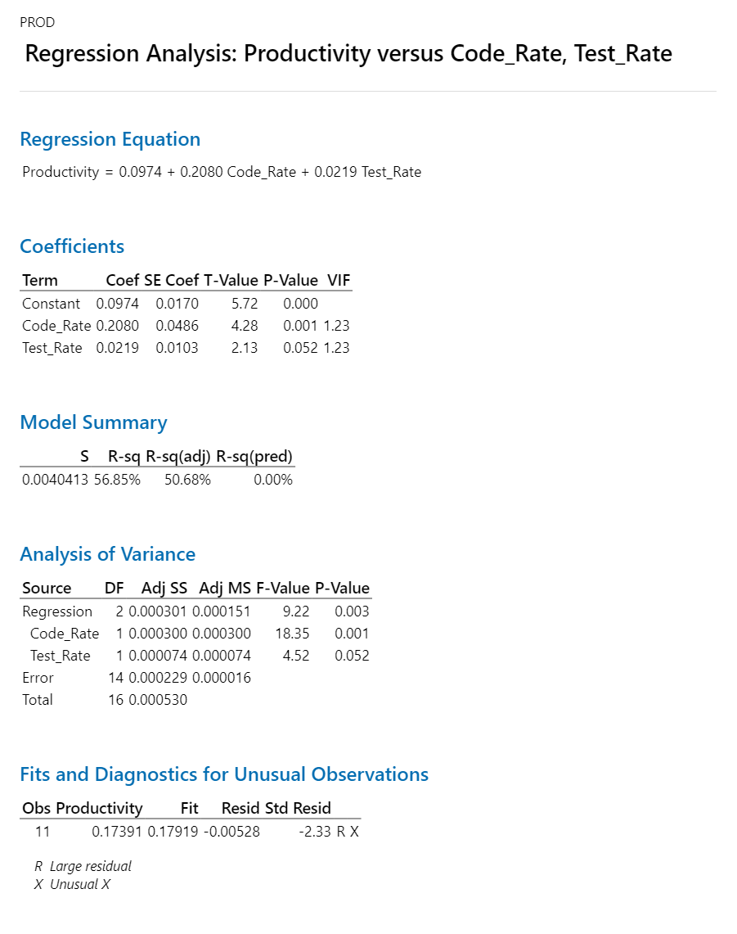

 |  |  | Regression Equation
 |  |  | Productivity | = | 0.0974 + 0.2080 Code_Rate + 0.0219 Test_Rate

 |  |  |  |  | AS-IS | Productivity | Code_Rate | Test_Rate
 |  |  |  |  | Mean | 0.1668 | 0.2606 | 1.0753 |  | 5.9952038369
 |  |  |  |  | SD | 0.005 | 0.021 | 0.064
 |  |  |  |  | UCL | 0.18312 | 0.325 | 0.6918 |  | 5.4608999563
 |  |  |  |  | LCL | 0.15025 | 0.1961 | 0.3083 |  | 6.6555740433

 |  |  |  |  | Target | Productivity
 |  |  |  |  | Mean | 0.18 |  | 0.01668 | mean | 5.4501853063
 |  |  |  |  | SD | 0.05 |  |  | ucl | 0.172
 |  |  |  |  |  |  |  |  | lcl | 0.138
 |  |  |  |  | What if | Productivity | Code_Rate | Test_Rate | sd | 0.051666666667
 |  |  |  |  | Mean | 0.17929 | 0.32 | 0.7
 |  |  |  |  | SD | 0.050 | 0.050 | 0.050
 |  |  |  |  | USL | 0.32929 | 0.47 | 0.85
 |  |  |  |  | LSL | 0.02929 | 0.17 | 0.55

 |  |  |  |  | Action Plan
 |  |  |  | 1 | How to Improve Code Rate
 |  |  |  | 2 | How to Improve Test Rate

 |  |  |  | 1. Outlier Analysis

 |  |  |  | 2. Action Plan for Improvement

PPM CT
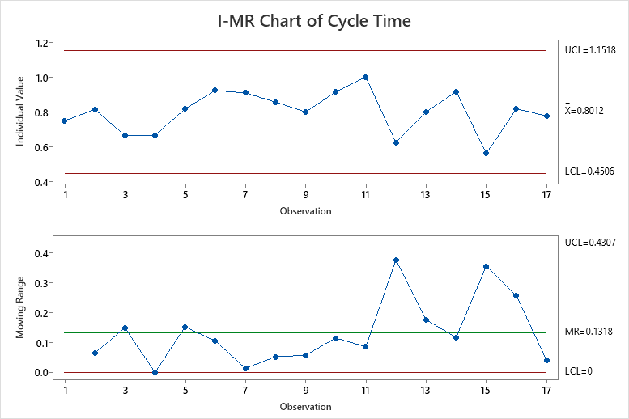
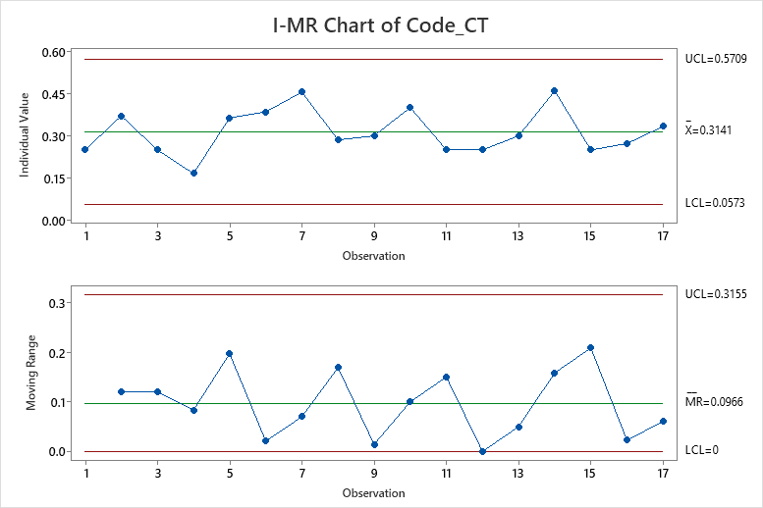
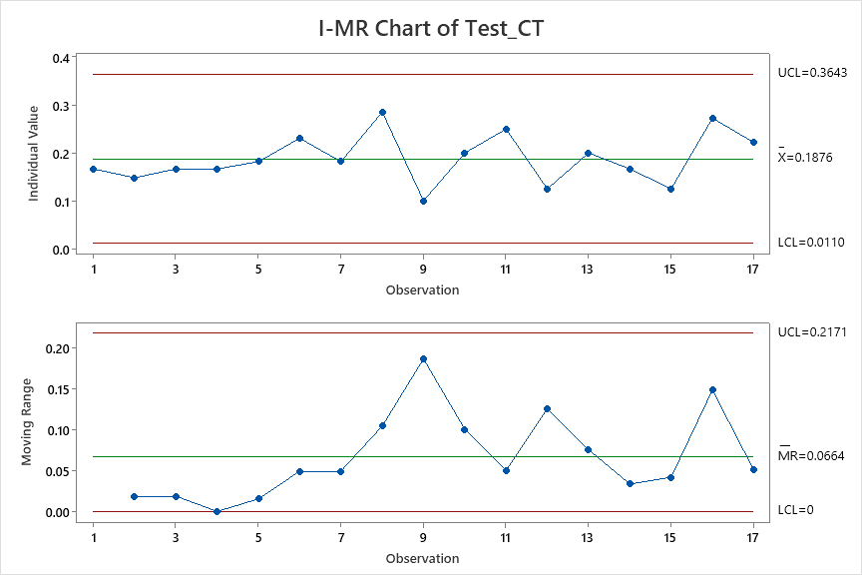
Cycle Time | Code_CT | Test_CT
0.75 | 0.25 | 0.16666666667
0.81481481481 | 0.37037037037 | 0.14814814815
0.66666666667 | 0.25 | 0.16666666667
0.66666666667 | 0.16666666667 | 0.16666666667
0.81818181818 | 0.36363636364 | 0.18181818182
0.92307692308 | 0.38461538462 | 0.23076923077
0.90909090909 | 0.45454545455 | 0.18181818182
0.85714285714 | 0.28571428571 | 0.28571428571
0.8 | 0.3 | 0.1
0.91428571429 | 0.4 | 0.2
1 | 0.25 | 0.25
0.625 | 0.25 | 0.125
0.8 | 0.3 | 0.2
0.91666666667 | 0.45833333333 | 0.16666666667
0.5625 | 0.25 | 0.125
0.81818181818 | 0.27272727273 | 0.27272727273
0.77777777778 | 0.33333333333 | 0.22222222222

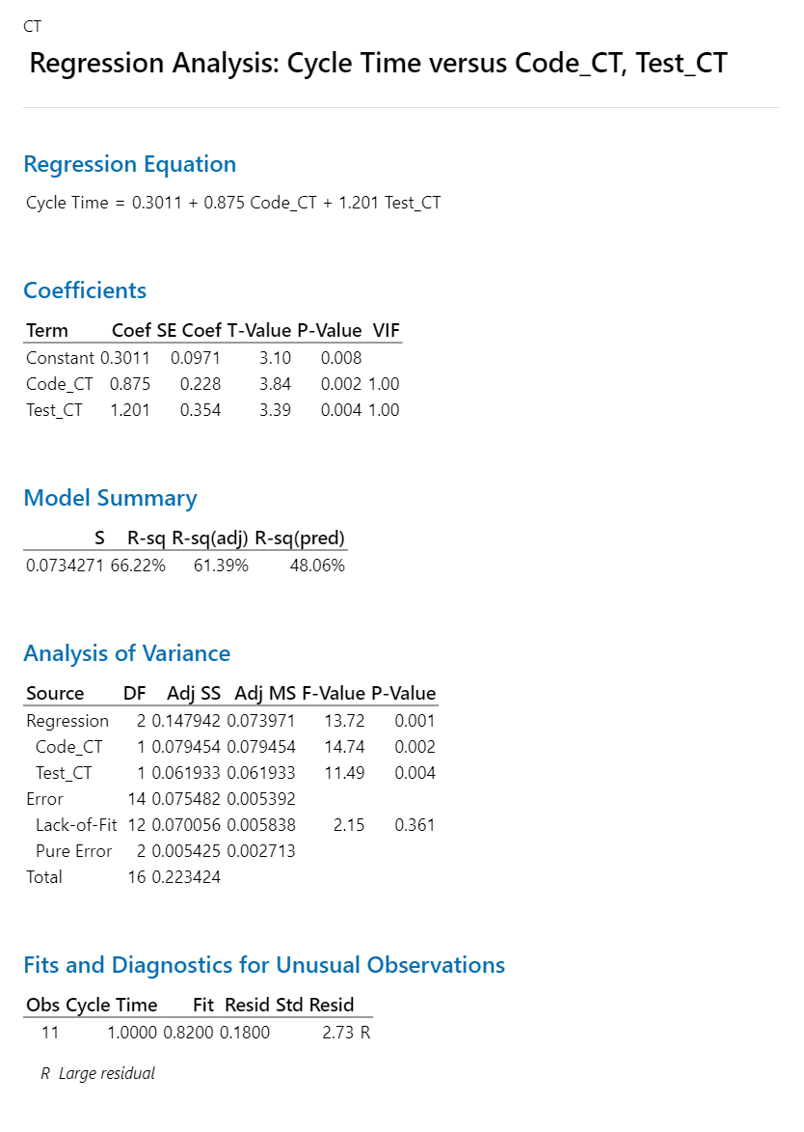

 |  |  | Regression Equation
 |  |  | Cycle Time | = | 0.3011 + 0.875 Code_CT + 1.201 Test_CT

 |  |  |  | AS-IS | Cycle time | Code_CT | Test_CT
 |  |  |  | Mean | 0.8012 | 0.3141 | 0.1876
 |  |  |  | SD | 0.117 | 0.086 | 0.059
 |  |  |  | UCL | 1.1518 | 0.5709 | 0.3643
 |  |  |  | LCL | 0.4506 | 0.0573 | 0.011

 |  |  |  | Target | Cycle time
 |  |  |  | Mean | 0.72108 |  | 0.08012
 |  |  |  | SD | 0.25

 |  |  |  | What if | Cycle time | Code_CT | Test_CT
 |  |  |  | Mean | 0.72402 | 0.25 | 0.17
 |  |  |  | SD | 0.25 | 0.1 | 0.5
 |  |  |  | USL | 1.47402 | 0.55 | 1.67
 |  |  |  | LSL | -0.02598 | -0.05 | -1.33

PPM DRE
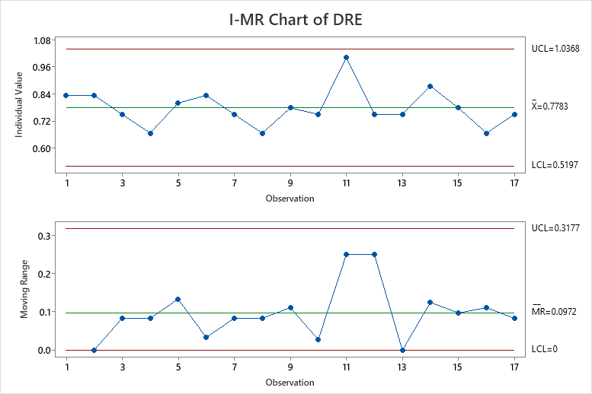
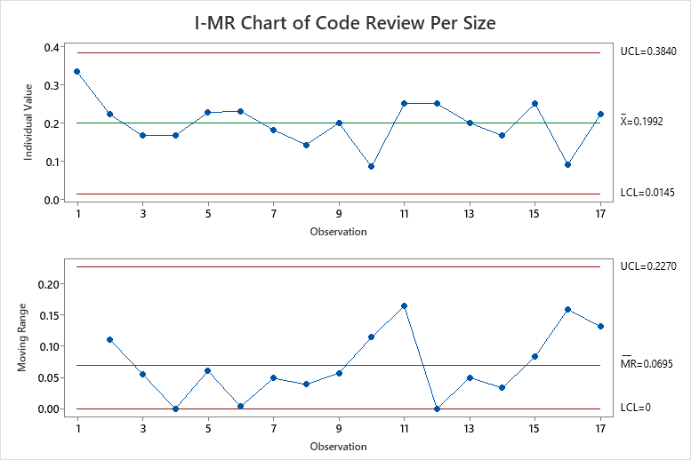
DRE | Code Review Per Size
0.83 | 0.33
0.83 | 0.22
0.75 | 0.17
0.67 | 0.17
0.80 | 0.23
0.83 | 0.23
0.75 | 0.18
0.67 | 0.14
0.78 | 0.20
0.75 | 0.09
1.00 | 0.25
0.75 | 0.25
0.75 | 0.20
0.88 | 0.17
0.78 | 0.25
0.67 | 0.09
0.75 | 0.22

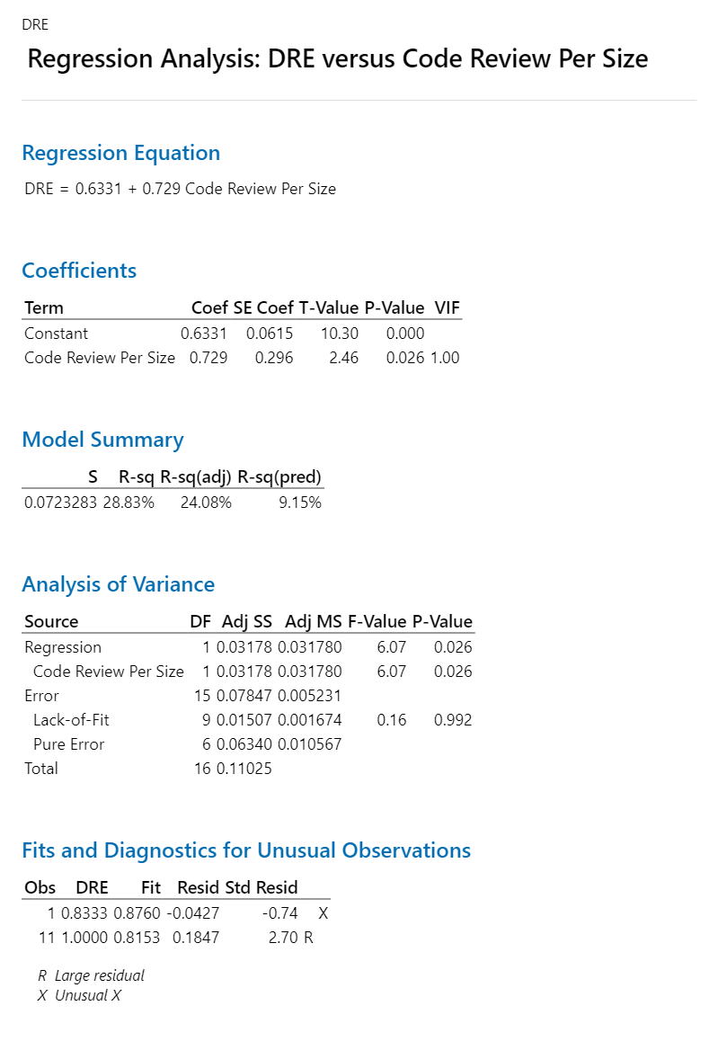

 |  | Regression Equation
 |  | DRE | = | 0.6331 + 0.729 Code Review Per Size

 |  | AS-IS | DRE | Code Review Per Size
 |  | Mean | 0.778 | 0.1992
 |  | SD | 0.086 | 0.062
 |  | UCL | 1.0368 | 0.384
 |  | LCL | 0.5197 | 0.0145

 |  | Target | DRE
 |  | Mean | 0.80 |  | 0.0389
 |  | SD | 0.10

 |  | What if | DRE | Code Review Per Size
 |  | Mean | 0.793 | 0.22
 |  | SD | 0.1 | 0.05
 |  | USL | 1.09348 | 0.37
 |  | LSL | 0.49348 | 0.07

Merge CT 2&3
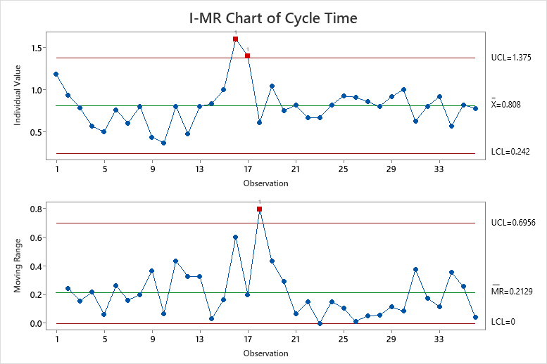
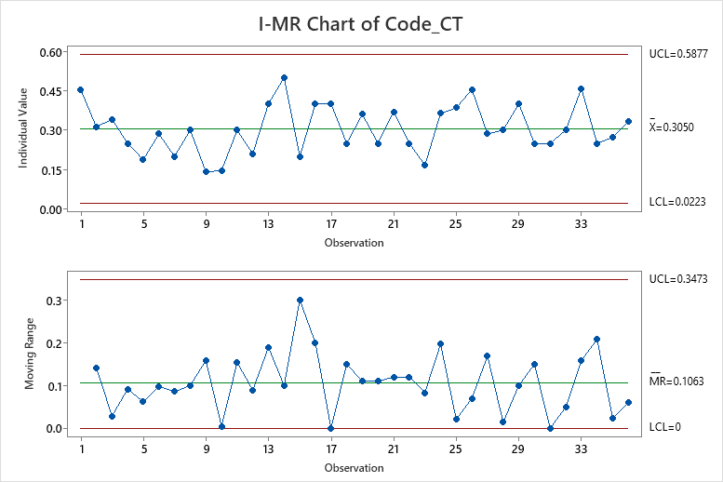
Cycle Time | Code_CT | Test_CT
1.18 | 0.45 | 0.21
0.94 | 0.31 | 0.19
0.78 | 0.34 | 0.17
0.56 | 0.25 | 0.16
0.50 | 0.19 | 0.19
0.76 | 0.29 | 0.17
0.60 | 0.20 | 0.10
0.80 | 0.30 | 0.20
0.43 | 0.14 | 0.12
0.37 | 0.15 | 0.10
0.80 | 0.30 | 0.17
0.47 | 0.21 | 0.11
0.80 | 0.40 | 0.10
0.83 | 0.50 | 0.33
1.00 | 0.20 | 0.20
1.60 | 0.40 | 0.20
1.40 | 0.40 | 0.40
0.61 | 0.25 | 0.16
1.04 | 0.36 | 0.16
0.75 | 0.25 | 0.17
0.81 | 0.37 | 0.15
0.67 | 0.25 | 0.17
0.67 | 0.17 | 0.17
0.82 | 0.36 | 0.18
0.92 | 0.38 | 0.23
0.91 | 0.45 | 0.18
0.86 | 0.29 | 0.29
0.80 | 0.30 | 0.10
0.91 | 0.40 | 0.20
1.00 | 0.25 | 0.25
0.63 | 0.25 | 0.13
0.80 | 0.30 | 0.20
0.92 | 0.46 | 0.17
0.56 | 0.25 | 0.13
0.82 | 0.27 | 0.27
0.78 | 0.33 | 0.22

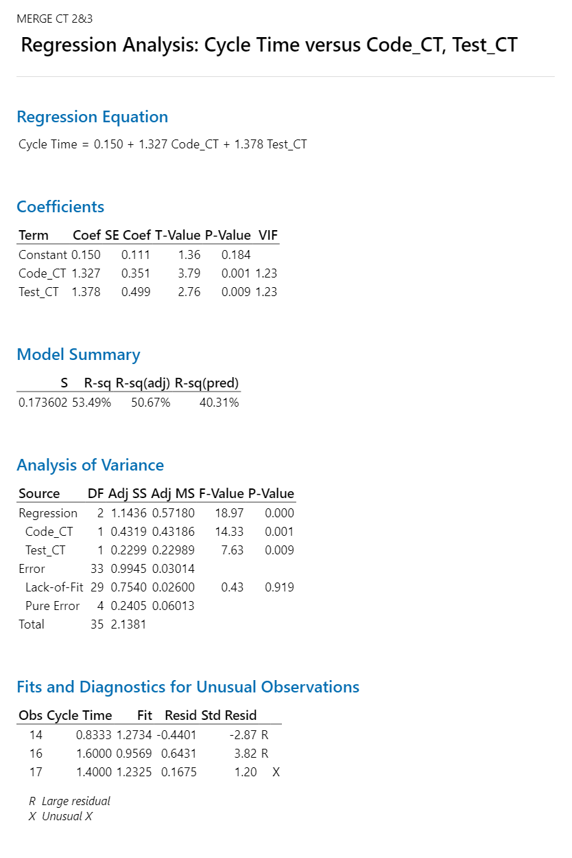

 |  |  | Regression Equation
 |  |  | Cycle Time | = | 0.150 + 1.327 Code_CT + 1.378 Test_CT

 |  |  |  | AS-IS | Cycle time | Code_CT | Test_CT | AS-IS | Cycle time | Code_CT | Test_CT
 |  |  |  | Mean | 0.808 | 0.305 | 0.1837 | Mean | 0.815 | 0.2968 | 0.1717
 |  |  |  | SD | 0.189 | 0.094 | 0.061 | SD | 0.24883333333 | 0.10171666667 | 0.0528
 |  |  |  | UCL | 1.375 | 0.5877 | 0.3653 | UCL | 1.561 | 0.602 | 0.3301
 |  |  |  | LCL | 0.242 | 0.0223 | 0.0022 | LCL | 0.068 | -0.0083 | 0.0133

 |  |  |  | Target | Cycle time
 |  |  |  | Mean | 0.7272 |  | 0.0808
 |  |  |  | SD | 0.25

 |  |  |  | What if | Cycle time | Code_CT | Test_CT
 |  |  |  | Mean | 0.72928 | 0.26 | 0.17
 |  |  |  | SD | 0.25 | 0.1 | 0.5
 |  |  |  | USL | 1.47928 | 0.56 | 1.67
 |  |  |  | LSL | -0.02072 | -0.04 | -1.33

Combine CT 2&3
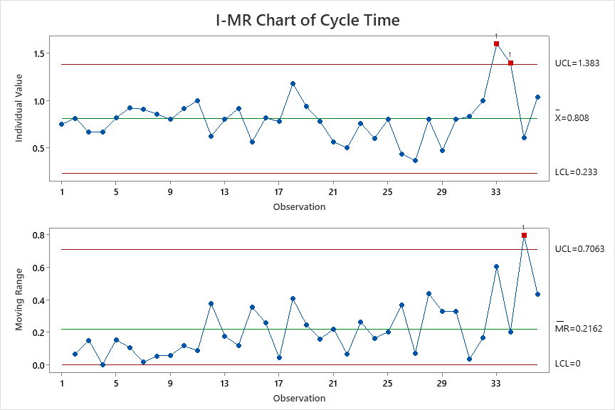
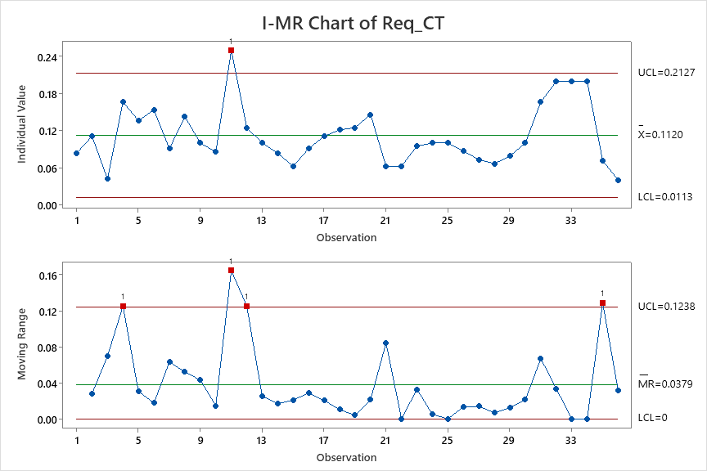
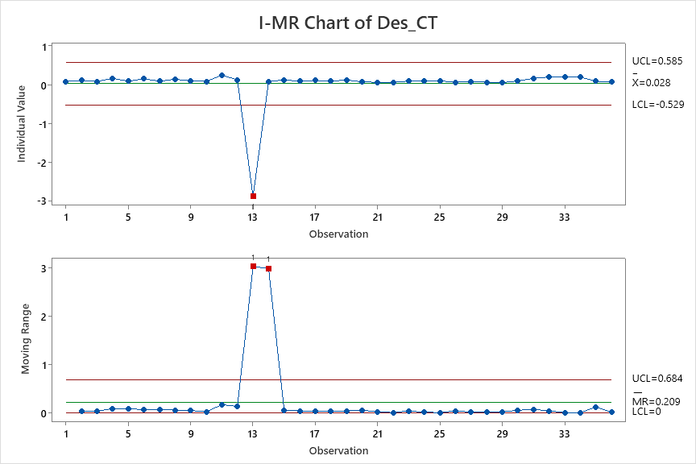
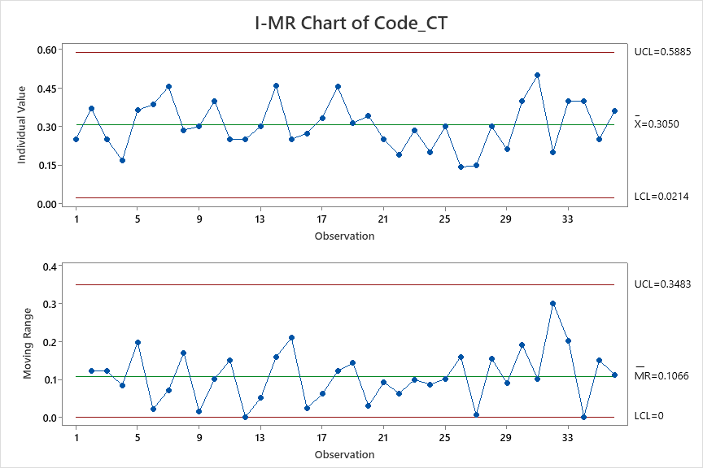
Cycle Time | Req_CT | Des_CT | Code_CT | Test_CT
0.75 | 0.083333333333 | 0.083333333333 | 0.25 | 0.16666666667
0.81481481481 | 0.11111111111 | 0.11111111111 | 0.37037037037 | 0.14814814815
0.66666666667 | 0.041666666667 | 0.083333333333 | 0.25 | 0.16666666667
0.66666666667 | 0.16666666667 | 0.16666666667 | 0.16666666667 | 0.16666666667
0.81818181818 | 0.13636363636 | 0.090909090909 | 0.36363636364 | 0.18181818182
0.92307692308 | 0.15384615385 | 0.15384615385 | 0.38461538462 | 0.23076923077
0.90909090909 | 0.090909090909 | 0.090909090909 | 0.45454545455 | 0.18181818182
0.85714285714 | 0.14285714286 | 0.14285714286 | 0.28571428571 | 0.28571428571
0.8 | 0.1 | 0.1 | 0.3 | 0.1
0.91428571429 | 0.085714285714 | 0.085714285714 | 0.4 | 0.2
1 | 0.25 | 0.25 | 0.25 | 0.25
0.625 | 0.125 | 0.125 | 0.25 | 0.125
0.8 | 0.1 | -2.9 | 0.3 | 0.2
0.91666666667 | 0.083333333333 | 0.083333333333 | 0.45833333333 | 0.16666666667
0.5625 | 0.0625 | 0.125 | 0.25 | 0.125
0.81818181818 | 0.090909090909 | 0.090909090909 | 0.27272727273 | 0.27272727273
0.77777777778 | 0.11111111111 | 0.11111111111 | 0.33333333333 | 0.22222222222
1.1818181818 | 0.12121212121 | 0.090909090909 | 0.45454545455 | 0.21212121212
0.9375 | 0.125 | 0.125 | 0.3125 | 0.1875
0.78048780488 | 0.14634146341 | 0.073170731707 | 0.34146341463 | 0.17073170732
0.5625 | 0.0625 | 0.0625 | 0.25 | 0.15625
0.5 | 0.0625 | 0.0625 | 0.1875 | 0.1875
0.7619047619 | 0.095238095238 | 0.095238095238 | 0.28571428571 | 0.16666666667
0.6 | 0.1 | 0.1 | 0.2 | 0.1
0.8 | 0.1 | 0.1 | 0.3 | 0.2
0.4347826087 | 0.086956521739 | 0.065217391304 | 0.14130434783 | 0.11956521739
0.36585365854 | 0.073170731707 | 0.073170731707 | 0.14634146341 | 0.09756097561
0.8 | 0.066666666667 | 0.066666666667 | 0.3 | 0.16666666667
0.47368421053 | 0.078947368421 | 0.052631578947 | 0.21052631579 | 0.10526315789
0.8 | 0.1 | 0.1 | 0.4 | 0.1
0.83333333333 | 0.16666666667 | 0.16666666667 | 0.5 | 0.33333333333
1 | 0.2 | 0.2 | 0.2 | 0.2
1.6 | 0.2 | 0.2 | 0.4 | 0.2
1.4 | 0.2 | 0.2 | 0.4 | 0.4
0.60714285714 | 0.071428571429 | 0.089285714286 | 0.25 | 0.16071428571
1.04 | 0.04 | 0.08 | 0.36 | 0.16

 |  |  |  |  |  | Regression Equation
 |  |  |  |  |  | Cycle Time | = | 0.057 + 2.133 Req_CT + 1.397 Code_CT + 0.469 Test_CT

 |  |  | Regression Equation |  |  |  |  |  | AS-IS | Cycle time | Req_CT | Code_CT | Test_CT
 |  |  | Cycle Time | = | 0.0749 + 2.440 Req_CT + 1.509 Code_CT |  |  |  | Mean | 0.808 | 0.112 | 0.305 | 0.1837
 |  |  |  |  |  |  |  |  | SD | 0.189 | 0.034 | 0.095 | 0.061
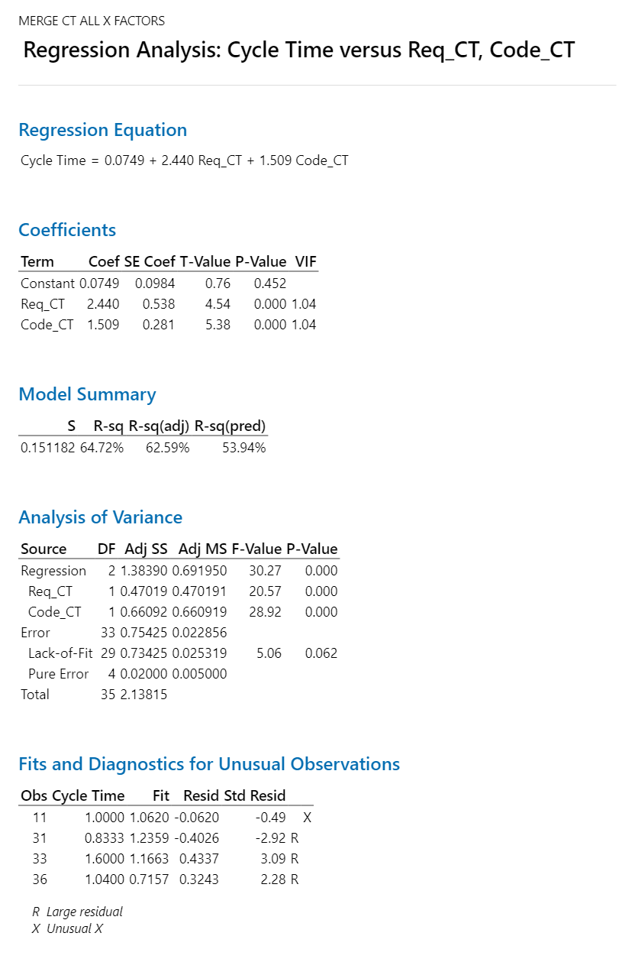
 |  |  |  |  |  |  |  |  | UCL | 1.375 | 0.2127 | 0.5885 | 0.3655
 |  |  |  |  |  |  |  |  | LCL | 0.242 | 0.0113 | 0.0214 | 0.0019

 |  |  |  |  |  |  |  |  | Target | Cycle time
 |  |  |  |  |  |  |  |  | Mean | 0.7272 |  | 0.0808
 |  |  |  |  |  |  |  |  | SD | 0.25

 |  |  |  |  |  |  |  |  | What if | Cycle time | Req_CT | Code_CT | Test_CT
 |  |  |  |  |  |  |  |  | Mean | 0.93593 | 0.2 | 0.26 | 0.19
 |  |  |  |  |  |  |  |  | SD | 0.25 | 0.1 | 0.1 | 0.5
 |  |  |  |  |  |  |  |  | USL | 1.68593 | 0.5 | 0.56 | 1.69
 |  |  |  |  |  |  |  |  | LSL | 0.18593 | -0.1 | -0.04 | -1.31

 |  |  |  |  |  |  |  |  | What if | Cycle time | Req_CT | Code_CT
 |  |  |  |  |  |  |  |  | Mean | 0.72145 | 0.098 | 0.27
 |  |  |  |  |  |  |  |  | SD | 0.25 | 0.1 | 0.1
 |  |  |  |  |  |  |  |  | USL | 1.47145 | 0.398 | 0.57
 |  |  |  |  |  |  |  |  | LSL | -0.02855 | -0.202 | -0.03

